Hotel K-Cup
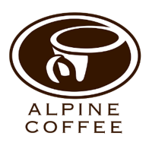
Product Name K Cups | Weight GR. | Case Cnt | Retail | Retail
Favorites
Donut Blend | 10 | 96 | $28.13 | 0.29
BreakFast Blend | 10 | 96 | $28.13 | 0.29
Dark Estate | 10 | 96 | $28.48 | 0.29
French Roast | 10 | 96 | $28.72 | 0.29 | 450
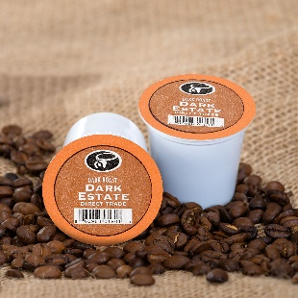
Decaf
Columbia Decaf | 10 | 96 | $29.11 | 0.29
Flavored
Hazelnut | 10 | 96 | $28.80 | 0.34
Jamacian Nuts | 10 | 96 | $29.55 | 0.34
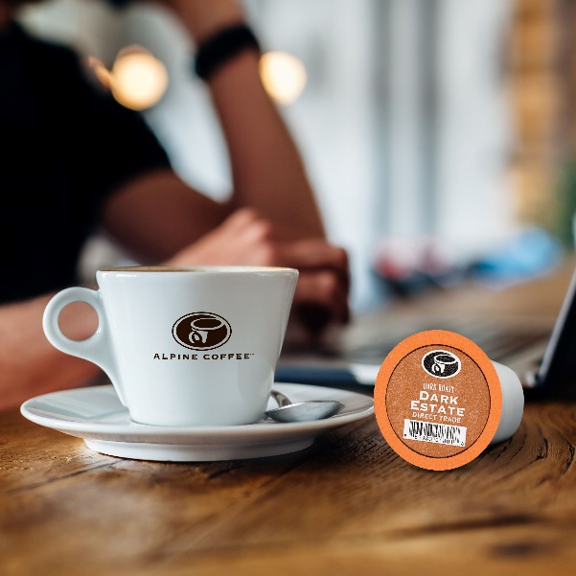
French Vanilla | 10 | 96 | $29.11 | 0.34
Premium Blends
Colombian Supremo | 10 | 96 | $32.89 | 0.34
Costa | 10 | 96 | $33.32 | 0.34
Kona Island Blend | 10 | 96 | $35.11 | 0.34
Sumatra | 10 | 96 | $31.73 | 0.34
Steamers
Cocoa | 15 | 96 | $35.75 | 0.34

 | Alpine Coffee
 | 2860 South Tejon
 | Englewood, CO 80110
 | 303-761-2500 X 0
 | Info@AlpineCoffee.com

Hotel Filter
Product Name | Cups per pack | Weight per Pac Ounces | Weight Gr | Case Cnt | Cs Weight LBS | Blend Cost LB | Flavoring | Roasted LB | Case Roasted Coffee | Filter Pac Film | Film / Bags | Out Box | 150 count case COST | 150 Count Retail | Cost per unit | Condiments | Condiment Cost | Total Condiment Cost per Case | Total Cost per Case With Condiments | Cost each
BreakFast Blend | 2 | 0.5 | 14 | 150 | 4.6357615894 | 1.5 | 0 | 1.76 | 8.181 | 1.500 | 3.3 | 0.95 | $13.93 | $27.86 | $0.19 | 1 Crm, 1 Sug, 1 S&L 1 Stick | 0.15 | 22.500 | 78.409 | 0.52
 | 4 | 0.75 | 21.234375 | 150 | 7.03125 | 1.5 | 0 | 1.76 | 12.408 | 1.500 | 3.3 | 0.95 | $18.16 | $36.32 | $0.24 | 2 Crm, 2 Sug, 1 S&L, 2 Stix | 0.18 | 27.000 | 63.316 | 0.42
 | 12 | 1.25 | 35.390625 | 150 | 11.71875 | 1.5 | 0 | 1.76 | 20.680 | 1.500 | 3.3 | 0.95 | $26.43 | $52.86 | $0.35 | 3 Crm, 3 Sug, 2 S&L, 4 Stix | 0.24 | 36.000 | 88.860 | 0.59
 | 12 | 1.5 | 42.46875 | 150 | 14.0625 | 1.5 | 0 | 1.76 | 24.816 | 1.500 | 3.3 | 0.95 | $30.57 | $61.13 | $0.41 | 3 Crm, 3 Sug, 2 S&L, 4 Stix | 0.24 | 36.000 | 97.132 | 0.65
 | 12 | 1.75 | 49.546875 | 100 | 10.9375 | 1.5 | 0 | 1.76 | 19.301 | 1.000 | 2.2 | 0.95 | $23.45 | $46.90 | $0.47 | 3 Crm, 3 Sug, 2 S&L, 4 Stix | 0.24 | 24.000 | 70.903 | 0.71
 | 12 | 2 | 56.625 | 100 | 12.5 | 1.5 | 0 | 1.76 | 22.059 | 1.000 | 2.2 | 0.95 | $26.21 | $52.42 | $0.52 | 3 Crm, 3 Sug, 2 S&L, 4 Stix | 0.24 | 24.000 | 76.418 | 0.76
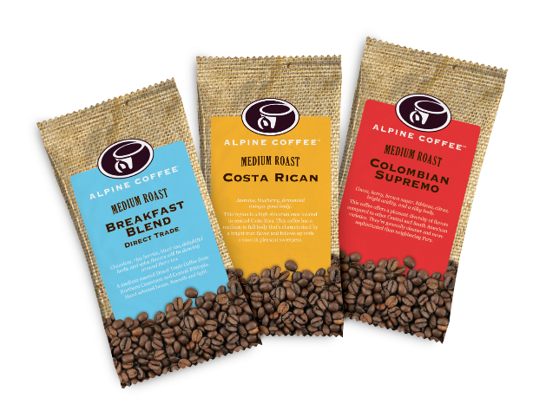
Columbian Molina | 2 | 0.5 | 14 | 150 | 4.6357615894 | 2 | 0 | 2.35 | 10.908 | 1.500 | 3.3 | 0.95 | $37.48 | $74.96 | $0.50 | 1 Crm, 1 Sug, 1 S&L, 1 Stix | 0.15 | 16.658 | 91.617 | 0.25
 | 4 | 0.75 | 21.234375 | 150 | 7.03125 | 2 | 0 | 2.35 | 16.544 | 1.500 | 3.3 | 0.95 | $50.16 | $100.32 | $0.67 | 2 Crm, 2 Sug, 1 S&L, 1 Stix | 0.18 | 22.294 | 122.618 | 0.33
 | 12 | 1.25 | 35.390625 | 100 | 7.8125 | 2 | 0 | 2.35 | 18.382 | 1.000 | 2.2 | 0.95 | $50.70 | $101.40 | $1.01 | 3 Crm, 3 Sug, 2 S&L, 4 Stix | 0.24 | 22.532 | 123.928 | 0.51
 | 12 | 1.5 | 42.46875 | 100 | 9.375 | 2 | 0 | 2.35 | 22.059 | 1.000 | 2.2 | 0.95 | $58.97 | $117.94 | $1.18 | 3 Crm, 3 Sug, 2 S&L, 4 Stix | 0.24 | 26.209 | 144.149 | 0.59
 | 12 | 1.75 | 49.546875 | 100 | 10.9375 | 2 | 0 | 2.35 | 25.735 | 1.000 | 2.2 | 0.95 | $67.24 | $134.48 | $1.34 | 3 Crm, 3 Sug, 2 S&L, 4 Stix | 0.24 | 29.885 | 164.369 | 0.67
 | 12 | 2 | 56.625 | 100 | 12.5 | 2 | 0 | 2.35 | 29.412 | 1.000 | 2.2 | 0.95 | $75.51 | $151.03 | $1.51 | 3 Crm, 3 Sug, 2 S&L, 4 Stix | 0.24 | 33.562 | 184.590 | 0.76

Dark Estate | 2 | 0.5 | 14 | 150 | 4.6357615894 | 1.5 | 0 | 1.76 | 8.181 | 1.500 | 3.3 | 0.95 | $31.34 | $62.69 | $0.42 | 1 Crm, 1 Sug, 1 S&L, 1 Stix | 0.15 | 13.931 | 76.619 | 0.21
 | 4 | 0.75 | 21.234375 | 150 | 7.03125 | 1.5 | 0 | 1.76 | 12.408 | 1.500 | 3.3 | 0.95 | $40.86 | $81.71 | $0.54 | 2 Crm, 2 Sug, 1 S&L, 1 Stix | 0.18 | 18.158 | 99.869 | 0.27
 | 12 | 1.25 | 35.390625 | 100 | 7.8125 | 1.5 | 0 | 1.76 | 13.787 | 1.000 | 2.2 | 0.95 | $40.36 | $80.72 | $0.81 | 3 Crm, 3 Sug, 2 S&L, 4 Stix | 0.24 | 17.937 | 98.652 | 0.40
 | 12 | 1.5 | 42.46875 | 100 | 9.375 | 1.5 | 0 | 1.76 | 16.544 | 1.000 | 2.2 | 0.95 | $46.56 | $93.12 | $0.93 | 3 Crm, 3 Sug, 2 S&L, 4 Stix | 0.24 | 20.694 | 113.818 | 0.47
 | 12 | 1.75 | 49.546875 | 100 | 10.9375 | 1.5 | 0 | 1.76 | 19.301 | 1.000 | 2.2 | 0.95 | $52.77 | $105.53 | $1.06 | 3 Crm, 3 Sug, 2 S&L, 4 Stix | 0.24 | 23.451 | 128.983 | 0.53
 | 12 | 2 | 56.625 | 100 | 12.5 | 1.5 | 0 | 1.76 | 22.059 | 1.000 | 2.2 | 0.95 | $58.97 | $117.94 | $1.18 | 3 Crm, 3 Sug, 2 S&L, 4 Stix | 0.24 | 26.209 | 144.149 | 0.59

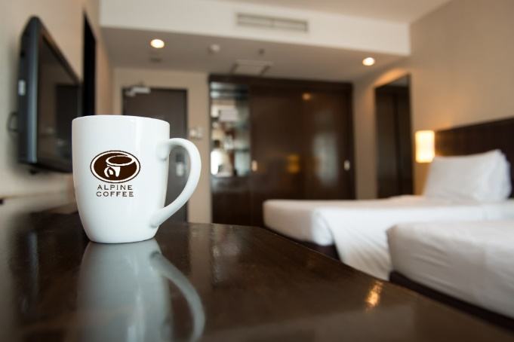
Decaf | 2 | 0.5 | 14 | 150 | 4.6357615894 | 1.85 | 0 | 2.18 | 10.090 | 1.500 | 3.3 | 0.95 | $35.64 | $71.28 | $0.48 | 1 Crm, 1 Sug, 1 S&L, 1 Stix | 0.15 | 15.840 |  | 0.24
 | 4 | 0.75 | 21.234375 | 150 | 7.03125 | 1.85 | 0 | 2.18 | 15.303 | 1.500 | 3.3 | 0.95 | $47.37 | $94.74 | $0.63 | 2 Crm, 2 Sug, 1 S&L, 1 Stix | 0.18 | 21.053 |  | 0.32
 | 12 | 1.25 | 35.390625 | 100 | 7.8125 | 1.85 | 0 | 2.18 | 17.004 | 1.000 | 2.2 | 0.95 | $47.60 | $95.19 | $0.95 | 3 Crm, 3 Sug, 2 S&L, 4 Stix | 0.24 | 21.154 |  | 0.48
 | 12 | 1.5 | 42.46875 | 100 | 9.375 | 1.85 | 0 | 2.18 | 20.404 | 1.000 | 2.2 | 0.95 | $55.25 | $110.49 | $1.10 | 3 Crm, 3 Sug, 2 S&L, 4 Stix | 0.24 | 24.554 |  | 0.55
 | 12 | 1.75 | 49.546875 | 100 | 10.9375 | 1.85 | 0 | 2.18 | 23.805 | 1.000 | 2.2 | 0.95 | $62.90 | $125.80 | $1.26 | 3 Crm, 3 Sug, 2 S&L, 4 Stix | 0.24 | 27.955 |  | 0.63
 | 12 | 2 | 56.625 | 100 | 12.5 | 1.85 | 0 | 2.18 | 27.206 | 1.000 | 2.2 | 0.95 | $70.55 | $141.10 | $1.41 | 3 Crm, 3 Sug, 2 S&L, 4 Stix | 0.24 | 31.356 |  | 0.71

 | Sug | Crm | S&L | Stix | Labor | Profit
1 Crm, 1 Sug, 1 S&L 1 Stick | 0.00499 | 0.011 | 0.023 | 0.0056 | 0.05 | 0.05 | 0.15
2 Crm, 2 Sug, 1 S&L, 2 Stix | 2 | 2 | 1 | 1 | 1
 | 0.00998 | 0.022 | 0.023 | 0.0056 | 0.05 | 0.07 | 0.18

3 Crm, 3 Sug, 2 S&L, 4 Stix | 3 | 3 | 2 | 4 | 1
 | 0.01497 | 0.033 | 0.046 | 0.0224 | 0.05 | 0.08 | 0.24

